Sheet1
AC Load Description | Quantity | Power Rating | Time on Per Day | Energy Used | References/Notes
 |  | (Watts) | (Hr/Day) | (KWh/day)

Hot Water Heater | 1 | 4000 | 3 | 12 | http://www.tempco.com/Engineering/wattage_estimation_tables.htm
Dryer | 1 | 5000 | 1 | 5
Stove-Burners | 1 | 4000 | 1 | 4 | Large Burner-2500; Small burner-1200
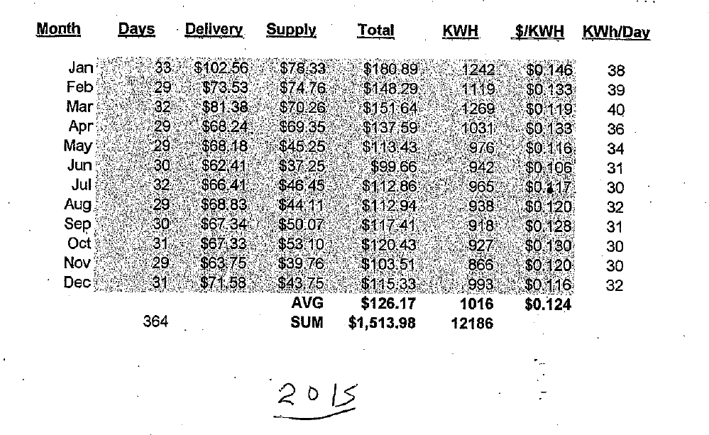
Refrigerator | 1 | 450 | 8 | 3.6
Stove-Oven | 1 | 4000 | 0.5 | 2
Computer | 1 | 125 | 12 | 1.5
Lights (incandescent) | 10 | 60 | 2 | 1.2
Oil Furnace/blower | 1 | 600 | 2 | 1.2
TV | 2 | 100 | 4 | 0.8
Dishwasher | 1 | 500 | 1 | 0.5
Freezer | 1 | 500 | 1 | 0.5
Microwave Oven | 1 | 1000 | 0.5 | 0.5
Washing Machine | 1 | 500 | 1 | 0.5
Lights (fluorescent) | 4 | 30 | 4 | 0.48
Miscellaneous Loads | 1 | 200 | 2 | 0.4
Printer | 1 | 400 | 0.25 | 0.1

 |  |  | Sum | 34.28
House Size (square ft) | 2000
Occupants | 4

Notes:
Type in "Wattage Charts"-Look at Images
http://energyusecalculator.com/electricity_waterheater.htm

Actual usage for 2015 was 30-40 Kwh/day; highest values were during Jan, Feb, March and April

