Rout Detention Basin
Routing Example (Given Inflows and Info on Detention Basin)

 |  | (I2+I2)+ | [(2*S/t)-O1]= | 2S/t+02 |  | Note: Plan scale is incorrect (the 102 elevation is approx. 80' by 135')

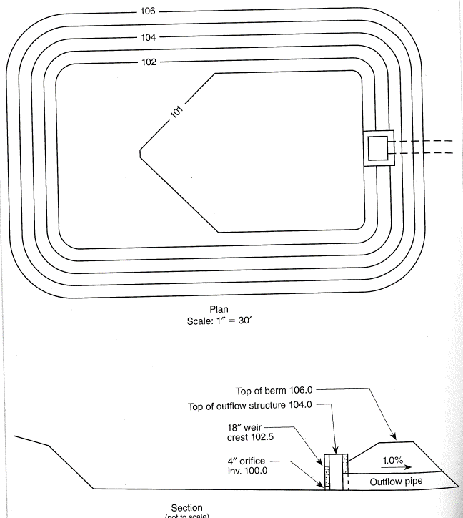
Time | Inflow | I1+I2 | 2S/t-O1 | 2S/t+02 | Ouflow O2
(hr) | (cfs) | (cfs) | (from graph) |  | (from Graph

0.00 | 1.20 | 2.70 | 0.00 | ----- | 0.00
0.25 | 1.50 | 3.60 | 3.00 | 2.70 | 0.20
0.50 | 2.10 | 5.30 | 6.00 | 6.60 | 0.40
0.75 | 3.20 | 14.80 | 16.00 | 11.30 | 0.50
1.00 | 11.60 | 33.70 | 10.30 | 30.80 | 0.60
1.25 | 22.10 | 31.90 | 41.00 | 44.00 | 1.70
1.50 | 9.80 | 14.30 | 60.00 | 72.90 | 6.00
1.75 | 4.50 | 7.70 | 72.00 | 74.30 | 7.00
2.00 | 3.20 | 5.90 | 72.00 | 79.70 | 7.00
2.25 | 2.70 | 5.10 | 60.00 | 77.90 | 6.00
2.50 | 2.40 | 4.40 | 55.00 | 65.10 | 5.00
2.75 | 2.00 | 3.80 | 50.00 | 59.40 | 4.00
3.00 | 1.80 | 1.80 | 45.00 | 53.80 | 3.50

 | Storage
Elevation | Cum Vol | Outflow | 2S/t-O1 | 2S/t+02
(ft) | (cf) | (cfs)

100 | 0 | 0.00 | 0.0 | 0.0
101 | 2800 | 0.40 | 5.8 | 6.6
102 | 11040 | 0.59 | 23.9 | 25.1
102.5 | 16835 | 0.66 | 36.7 | 38.1
104 | 38210 | 10.00 | 74.9 | 94.9
106 | 77210 | 33.66 | 137.9 | 205.2

"Initial knowns" shown in Bold

